Overtime
ALASKA MILK CORPORATION |  | Adjustment #: 1st
OVERTIME |  | Last Cutoff Date of Approval: 10-30-2024
Pay Period: Oct11 Oct25 - AMC2024 |  | Process Date: 2024-10-31

 |  | ADJUSTMENT |  |  | ADJUSTMENT |  | ADJUSTMENT
 |  | OVERTIME HOURS |  |  | ORDINARY NIGHTDIFF HOURS |  | OVERTIME NIGHT DIFFERENTIAL HOURS
Empoyee Number | Employee Name | REG DAY | REST DAY |  |  |  | REGULAR |  | REST DAY |  |  | REST DAY
 |  |  | 1ST 8 Hours | OVER | TYPE 1 | TYPE 2 | TYPE 1 | TYPE 2 | TYPE 1 | TYPE 2 | OT | REST DAY 1ST 8 HOURS | REST DAY OVER | OT ND TYPE 1 | ORDINARY ND TYPE 2 | REGULAR TYPE 1 | VALUES FROM AUTOMATED ADJUSTMENT |  |  | REMARKS
23-0020 | Amador, Marta Angelica Tamayo | 41.00 | - | - | - | - | - | - | - | - | #N/A | #N/A | #N/A | #N/A | #N/A | #N/A |  |  | 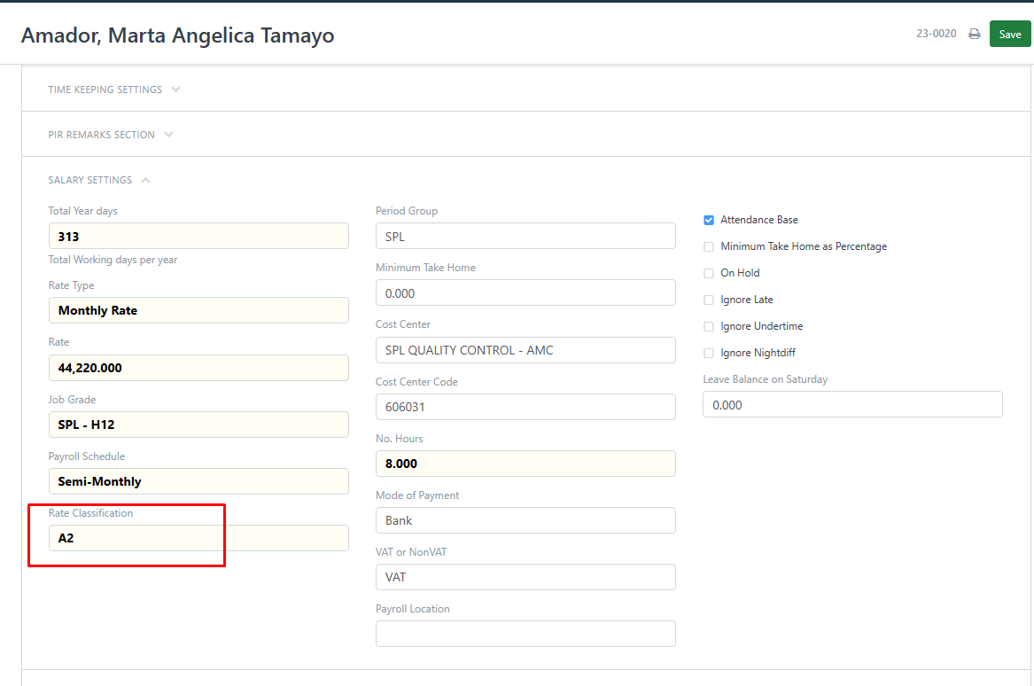 | No records to automated
16-0091 | Aralar, Anthony Blanco | - | - | - | - | 6.00 | - | - | - | - | #N/A | #N/A | #N/A | #N/A | #N/A | #N/A |  |  |  | no records of ND to automated
00-0249 | Arboleda, Josie Zausa | 2.25 | - | - | - | - | 1.25 | - | - | - | 2.25 | - | - | 0 | 0 | 1.25 |  |  |  | PASSED
17-0133 | Asuncion, Mark Louie MITRA | - | - | - | - | 8.00 | - | - | - | - | #N/A | #N/A | #N/A | #N/A | #N/A | #N/A |  |  |  | may record sa automated pero walang record sa report na overtime adjustment
17-0126 | Bacera, Romy MAYORDOMO | 4.00 | - | - | - | - | - | - | - | - | 4.00 | - | - | 0 | 0 | 0 |  |  |  | PASSED
07-0458 | Biay, Jason Reyes | 8.82 | - | - | - | - | 5.05 | - | - | - | 3.77 | - | - | 0 | 0 | 5.05 |  |  |  | PASSED
16-0162 | Buenaobra, Jeffrey Gemao | 1.25 | - | - | - | - | - | - | - | - | 1.25 | - | - | 0 | 0 | 0 |  |  |  | PASSED
18-0051 | Cabunoc, Melvin Moras | 10.27 | - | - | - | - | - | - | - | - | 10.27 | - | - | 0 | 0 | 0 |  |  |  | PASSED
07-0285 | Capati, Albert Ramos | 14.87 | - | - | - | 8.00 | 12.00 | - | - | - | 6.60 | - | - | 0 | 0 | 12 |  |  |  | PASSED
24-0008 | Cay, Angella Pauline Constantino | 2.63 | - | - | - | - | - | - | - | - | #N/A | #N/A | #N/A | #N/A | #N/A | #N/A |  |  |  | may record sa automated pero walang record sa report na overtime adjustment
17-0282 | Commandante, Ciara Galang | 1.00 | - | - | - | 8.00 | - | - | - | - | 5.07 | - | - | -0.45 | -0.62 | 0.45 |  |  |  | PASSED
18-0014 | Cruz, Edelyn Mae Roberto | 15.03 | - | - | - | - | 1.28 | - | - | - | 15.03 | - | - | 0 | 0 | 1.28 | 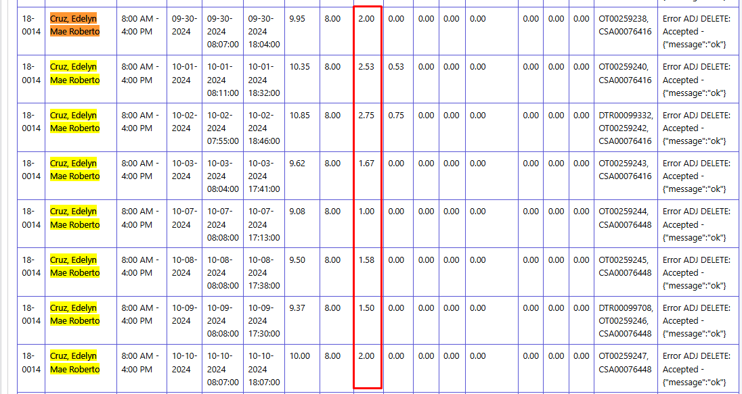 |  |  | PASSED
17-0222 | Cruz, Riza Del Ayre | 4.00 | - | - | - | - | 4.00 | - | - | - | 4.00 | - | - | 0 | 0 | 4 |  |  |  | PASSED
16-0154 | Erno, Marlon Estobo | - | - | - | - | 8.00 | - | - | - | - | #N/A | #N/A | #N/A | #N/A | #N/A | #N/A |  |  |  | may record sa automated pero walang record sa report na overtime adjustment
24-0015 | Eturalde, Mary Cris Espina | 1.00 | - | - | - | - | - | - | - | - | 1.00 | - | - | 0 | 0 | 1 |  |  |  | PASSED
06-0395 | Gaba, Eileen Seprado | 1.22 | - | - | - | - | - | - | - | - | 1.22 | - | - | 0 | 0 | 0 |  |  |  | PASSED
07-0122 | Gabarda, Amiel Andrada | 2.00 | - | - | - | - | - | - | - | - | 2.00 | - | - | 0 | 0 | 0 |  |  |  | PASSED
17-0139 | Gaitos, Gemver AMAGO | 23.67 | 8.00 | - | - | - | 12.00 | - | - | 8.00 | 23.67 | 8.00 | - | 0 | 0 | 12 |  |  |  | PASSED
...
Empoyee Number | Employee Name | REG DAY | REST DAY |  |  |  | REGULAR |  | REST DAY |  |  | REST DAY
 |  |  |  |  |  |  |  |  |  |  |  |  |  |  |  |  |  | 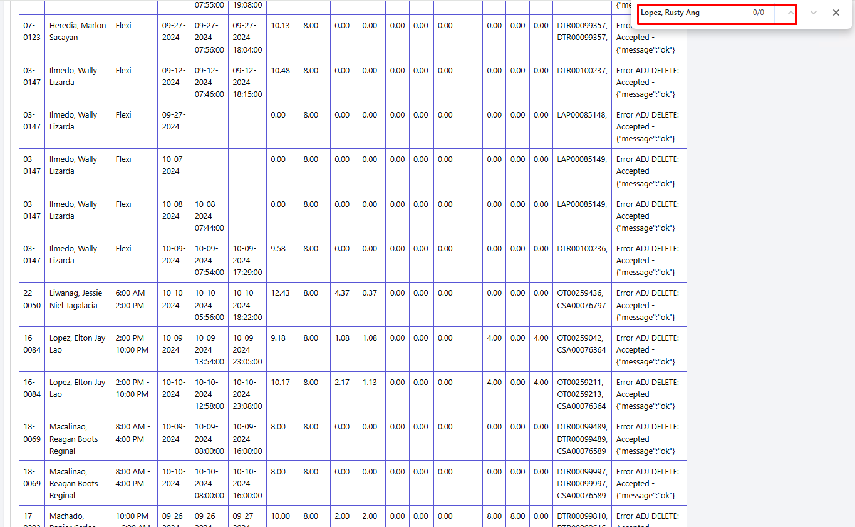
 |  |  |  |  |  |  |  |  |  |  |  |  |  |  |  |  | 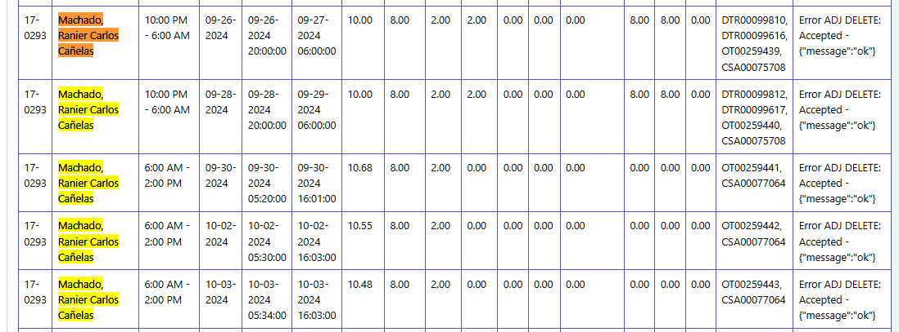

 |  |  |  |  |  |  |  |  |  |  |  |  |  |  |  |  | 


